Screenshot
Screenshot 1

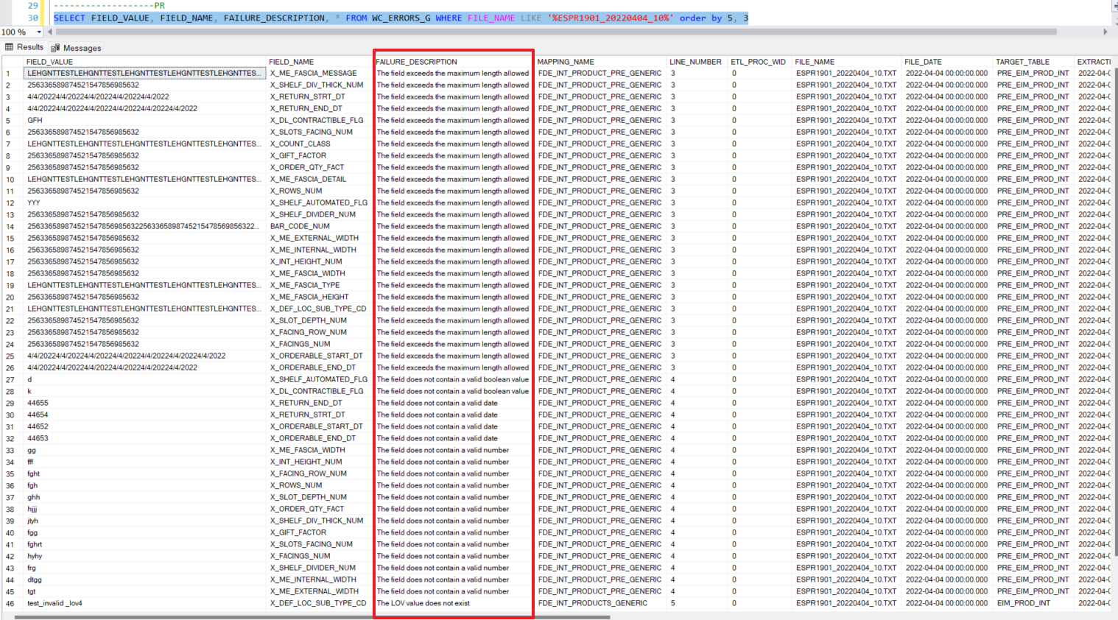

Screenshot 2

